Flow
USER REQUIREMENT

FUNCTION LIST NO. |  |  |  |  |  |  | BOM-001

UR: |  | ETD Email Notification

1. | TABLE :
DB_SP_SUP.
TB_M_ETD_EMAIL_NOTIFICATION

2. | PROCESS FLOW
Destination Validation

DB_SP_INF.
TB_I_H01_25_DESTINATION

DB_SP_SUP.
TB_M_ETD_EMAIL_NOTIFICATION
Upload
Process

 |  |  | Keys

3. | MENU SCREEN Illustration
 | TPOS
 | Menu : |  |  |  | - | Master Data
 | Sub-Menu: |  |  |  | - | ETD Email Notification
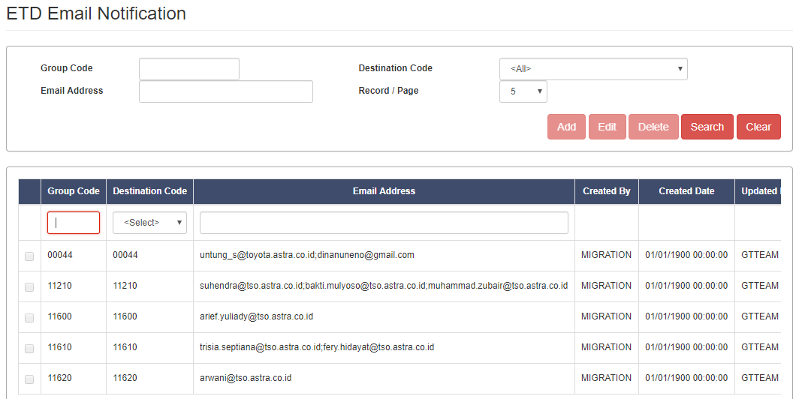

Upload Function & Template (.xlsx) is available

 |  |  |  | Note: |  |  | Duplicate Destination Code is not allowed.

Sheet1
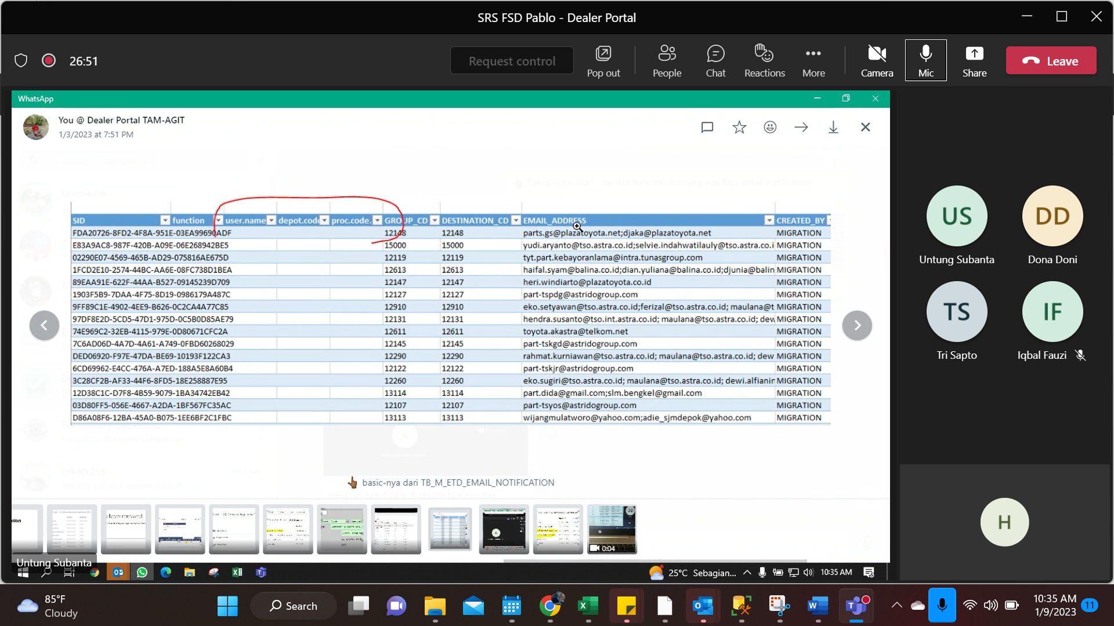

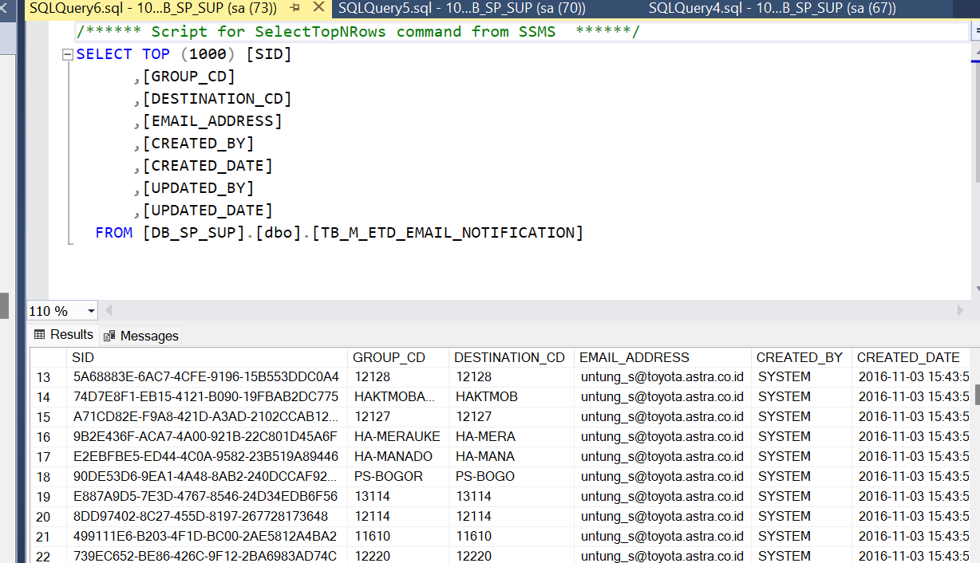
 | mandatory | optional
 |  |  | SID
 | yes |  | FUNCTION_ID | TB_M_FUNCTION
tam |  | no | USERNAME | TB_M_USER
 |  | no | DEPOT_CODE
 |  | no | PROC_CODE | [DB_SP_INF].[dbo].[TB_I_H01_03_PROC_BASIC]
 | NO |  | GROUP_CD | TPOS lama
 |  | no | DESTINATION CD
 |  |  | EMAIL_ADDRESS

 |  |  | bisa digabung dengan tire kah?

